Cover Sheet + Disclaimer
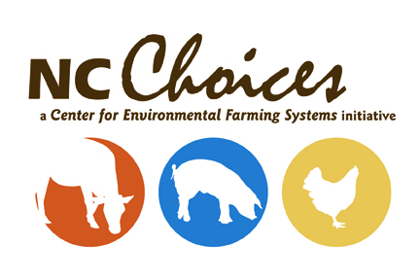


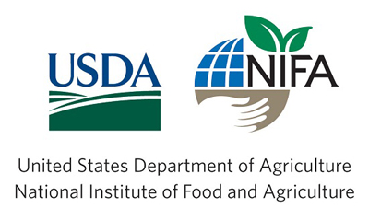

This project is supported by the Beginning Farmer and Rancher Development Program competitive grant no. 2018-70017-28550 of the USDA National Institute of Food and Agriculture.

Note: This template was prepared for general information purposes only and is intended to provide a starting point for Farmers as they develop Budgets for use in their business. Persons relying on such information do so entirely at their own risk, and this template should serve as a guiding tool. This project is supported by the Beginning Farmer and Rancher Development Program competitive grant no. 2018-70017-28550 of the USDA National Institute of Food and Agriculture. For educational purposes only.

